ROTOR
Serial Number | SAP ID | Asset Type | Size | Brand/Type | Configuration | Location | Pumping hours | Status
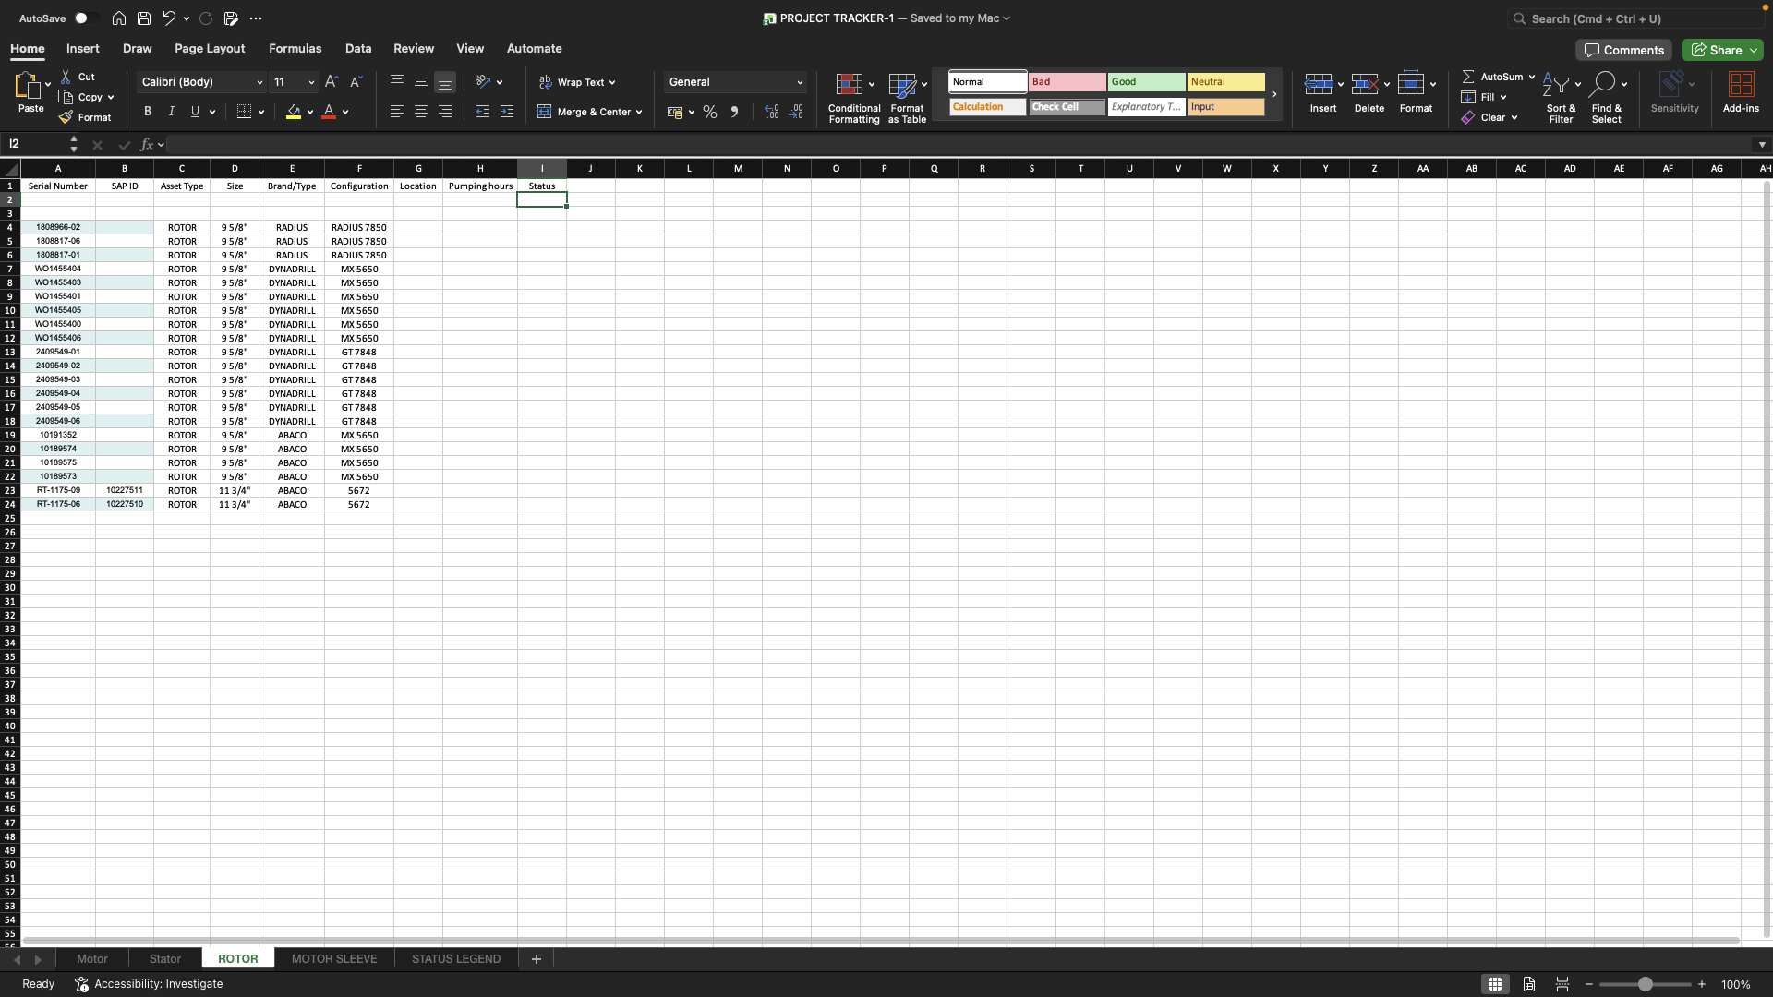

1808966-02 |  | ROTOR | 9 5/8" | RADIUS | RADIUS 7850
1808817-06 |  | ROTOR | 9 5/8" | RADIUS | RADIUS 7850
1808817-01 |  | ROTOR | 9 5/8" | RADIUS | RADIUS 7850
WO1455404 |  | ROTOR | 9 5/8" | DYNADRILL | MX 5650
WO1455403 |  | ROTOR | 9 5/8" | DYNADRILL | MX 5650
WO1455401 |  | ROTOR | 9 5/8" | DYNADRILL | MX 5650
WO1455405 |  | ROTOR | 9 5/8" | DYNADRILL | MX 5650
WO1455400 |  | ROTOR | 9 5/8" | DYNADRILL | MX 5650
WO1455406 |  | ROTOR | 9 5/8" | DYNADRILL | MX 5650
2409549-01 |  | ROTOR | 9 5/8" | DYNADRILL | GT 7848
2409549-02 |  | ROTOR | 9 5/8" | DYNADRILL | GT 7848
2409549-03 |  | ROTOR | 9 5/8" | DYNADRILL | GT 7848
2409549-04 |  | ROTOR | 9 5/8" | DYNADRILL | GT 7848
2409549-05 |  | ROTOR | 9 5/8" | DYNADRILL | GT 7848
2409549-06 |  | ROTOR | 9 5/8" | DYNADRILL | GT 7848
10191352 |  | ROTOR | 9 5/8" | ABACO | MX 5650
10189574 |  | ROTOR | 9 5/8" | ABACO | MX 5650
10189575 |  | ROTOR | 9 5/8" | ABACO | MX 5650
10189573 |  | ROTOR | 9 5/8" | ABACO | MX 5650
RT-1175-09 | 10227511 | ROTOR | 11 3/4" | ABACO | 5672
RT-1175-06 | 10227510 | ROTOR | 11 3/4" | ABACO | 5672

